Instructions
Instructions:
Please refer to the Pace University Gift Card Policy for additional details located at Expense Policy Addendum dated 7/1/22.

1 | Gift Card Requests:
 | All requests for the purchase of gift cards must be vetted by Accounts Payable, Regina Beatty, at rbeatty@pace.edu
 | Once approval is given, gift cards can be purchased based on the agreed upon terms (# of gift cards; $ value per card/in total).

2 | Gift Card Distribution:
 | Gift Card Distribution should occur within 10-business days of the purchase.
 | Once the gift cards are distributed, please complete the GIFT CARD DISTRIBUTION FORM (per attached).

3 | Gift Card Reconciliation Process:
 | Gift Card Distribution Form should be included as part of the Chrome River Reimbursement for both Pace Credit Cards and/or individual reimbursements AND

4 | Gift Card Taxation:
 | The gift cards will be taxed using the supplemental tax rates below.

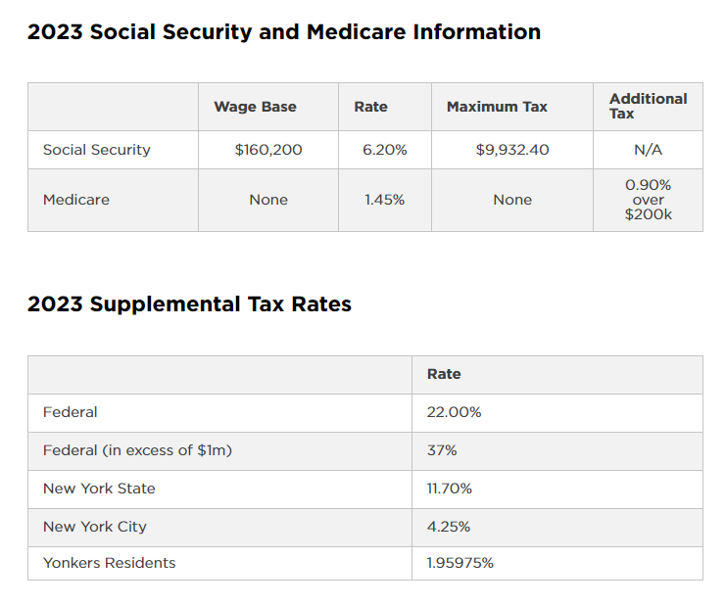

 | Please Note: Students and International Employees on an F1 Visa are excluded from Social Security and Medicare taxation.

